Example
Example Worksheet
Section I: Data Input - Tank Turnover and Mixing Calculations

Example Graph
 | Tank Name: | Example
 | Volume, MG: | 0.5
 | Cylindrical (C), Rectangular (R), Hydropillar (H), or None of these (n)? | r
 | If none, does SCADA report volume (or % full) rather than level? | n
 | Maximum Water Depth, H: | 24 | ft
 | Longest Sidewall Length, D: | 50 | ft
 | Shortest Sidewall Length, L: | 30 | ft
 | H/D ratio: | 0.48
 | Inlet diameter, d: | 1.00 | ft

 | Instructions: Enter tank fill data (paired min/max levels with date and time) for up to 15 fill periods. Data inputted by the user are shown in red.
 | Date | Time | Min Level | Max Level | Date + Time | Delta Time | Level Change
 |  |  | Ft | Ft |  | Days | Ft
 | 2012-08-02 | 19:07:00 |  | 19.00 | 8/2/12 | 0.0 | 19.0 | 1
 | 2012-08-03 | 0:09:00 | 16.90 |  | 8/3/12 | 0.21 | 16.9
 | 2012-08-03 | 5:10:00 |  | 18.40 | 8/3/12 | 0.42 | 18.4 | 2
 | 2012-08-03 | 11:11:00 | 16.60 |  | 8/3/12 | 0.67 | 16.6
 | 2012-08-03 | 18:13:00 |  | 18.90 | 8/3/12 | 0.96 | 18.9 | 3
 | 2012-08-03 | 23:14:00 | 16.90 |  | 8/3/12 | 1.17 | 16.9
 | 2012-08-04 | 5:16:00 |  | 18.70 | 8/4/12 | 1.42 | 18.7 | 4
 | 2012-08-04 | 10:17:00 | 16.90 |  | 8/4/12 | 1.63 | 16.9
 | 2012-08-04 | 19:19:00 |  | 19.50 | 8/4/12 | 2.01 | 19.5 | 5
 | 2012-08-05 | 0:21:00 | 17.40 |  | 8/5/12 | 2.22 | 17.4
 | 2012-08-05 | 6:22:00 |  | 18.80 | 8/5/12 | 2.47 | 18.8 | 6
 | 2012-08-05 | 11:23:00 | 17.00 |  | 8/5/12 | 2.68 | 17.0
 | 2012-08-05 | 20:26:00 |  | 19.20 | 8/5/12 | 3.05 | 19.2 | 7
 | 2012-08-06 | 0:27:00 | 17.60 |  | 8/6/12 | 3.22 | 17.6
 | 2012-08-06 | 5:28:00 |  | 18.80 | 8/6/12 | 3.43 | 18.8 | 8
 | 2012-08-06 | 11:29:00 | 16.80 |  | 8/6/12 | 3.68 | 16.8
 | 2012-08-06 | 19:31:00 |  | 18.80 | 8/6/12 | 4.02 | 18.8 | 9
 | 2012-08-07 | 0:33:00 | 16.80 |  | 8/7/12 | 4.23 | 16.8
 | 2012-08-07 | 6:34:00 |  | 18.20 | 8/7/12 | 4.48 | 18.2 | 10
 | 2012-08-07 | 11:36:00 | 16.40 |  | 8/7/12 | 4.7 | 16.4
 | 2012-08-07 | 18:37:00 |  | 18.80 | 8/7/12 | 5.0 | 18.8 | 11
 | 2012-08-08 | 1:39:00 | 16.40 |  | 8/8/12 | 5.3 | 16.4
 | 2012-08-08 | 7:40:00 |  | 18.10 | 8/8/12 | 5.5 | 18.1 | 12
 | 2012-08-08 | 12:41:00 | 16.40 |  | 8/8/12 | 5.7 | 16.4
 | 2012-08-08 | 17:43:00 |  | 18.50 | 8/8/12 | 5.9 | 18.5 | 13
 | 2012-08-08 | 23:44:00 | 16.50 |  | 8/8/12 | 6.2 | 16.5
 | 2012-08-09 | 5:46:00 |  | 18.10 | 8/9/12 | 6.4 | 18.1 | 14
 | 2012-08-09 | 11:47:00 | 16.40 |  | 8/9/12 | 6.7 | 16.4
 | 2012-08-09 | 18:49:00 |  | 18.80 | 8/9/12 | 7.0 | 18.8 | 15
 | 2012-08-09 | 23:50:00 | 16.80 |  | 8/9/12 | 7.2 | 16.8

 | Turnover Summary |  |  |  |  | Mixing Summary
 | Avg Vol Added in One Fill Period |  | 0.02 | MG |  | Avg Min Water Level |  | 16.8 | ft
 | Avg Vol Drawn in One Drain Period |  | 0.02 | MG |  | Avg Actual VEF |  | 0.11
 | Avg Fill Time |  | 0.27 | days |  | Avg VEF Needed for Good Mixing |  | 0.31
 | Avg Draw Time |  | 0.22 | days |  | Avg Measured Water Level Change |  | 1.9 | ft
 | Avg Fill Rate |  | 54 | gpm |  | Desired Water Level Change Needed for Good Mixing |  | 5.2 | ft
 | Avg Draw Rate |  | 67 | gpm |  | Mixing Performance Ratio (Measured/Desired) |  | 0.37
 | Avg Duration (Fill + Draw Time) |  | 0.5 | days |  | Inlet Diameter Needed for Good Mixing |  | 4 | inches
 | Avg Flow Rate into tank |  | 0.04 | MGD |  |  | Mixing is at an undesirable level, use Mixing Analysis (Section II) to determine strategies that will increase mixing.
 | Avg Tank Vol |  | 0.20 | MG
 | Turnover Time |  | 4.6 | days
 |  | Turnover Time is at a desired level.

Section II: Turnover Time & Mixing Analysis

 | Instructions: Five scenarios are available for experimenting with changing tank operations to improve turnover time. Experiment with lowering the both the Max and Min levels,
 | only the Min level, and only the Max level. Modify data shown in red. Do not use this analysis if the turnover time equations are not applicable!

 | These five scenarios are also available for experimenting with reducing inlet diameter to improve mixing. Note that improving the level change will also improve mixing.
 | Modify data shown in red. Do not use this analysis if the mixing equations are not applicable (H/D>1)!

 |  | No Changes | Scenario A | Scenario B | Scenario C | Scenario D | Scenario E
 | Longest Sidewall Length | 50 | 50 | 50 | 50 | 50 | 50 | ft
 | Shortest Sidewall Length | 30 | 30 | 30 | 30 | 30 | 30 | ft
 | Inlet Diameter | 1.00 | 1.00 | 1.00 | 1.00 | 0.50 | 0.50 | ft
 | High/Max Level | 18.71 | 17.00 | 18.71 | 18.00 | 18.71 | 18.71 | ft
 | Low/Min Level | 16.79 | 15.00 | 15.00 | 16.79 | 16.79 | 15.00 | ft
 | H/D ratio | 0.37 | 0.34 | 0.37 | 0.36 | 0.37 | 0.37
 | Actual Level Change | 1.92 | 2.00 | 3.71 | 1.21 | 1.92 | 3.71 | ft
 | Dimensionless Mixing Time | 10.20 | 10.20 | 10.20 | 10.20 | 10.20 | 10.20
 | Desired Level Change Needed for Good Mixing | 5.17 | 4.80 | 4.80 | 5.17 | 2.59 | 2.40 | ft
 | Pressure Drop After Change in Min Water Level |  | 0.8 | 0.8 | 0.0 | 0.0 | 0.8 | psi
 | Fill rate/ Pumping rate | 54 | 54 | 54 | 54 | 54 | 54 | gpm
 | Draw rate/ consumer demand | 67 | 67 | 67 | 67 | 67 | 67 | gpm
 | Avg fill time | 0.27 | 0.29 | 0.53 | 0.17 | 0.27 | 0.53 | days
 | Avg draw time | 0.22 | 0.23 | 0.43 | 0.14 | 0.22 | 0.43 | days
 | Avg volume added during fill | 0.02 | 0.02 | 0.04 | 0.01 | 0.02 | 0.04 | MG
 | Avg Duration (fill +draw) | 0.50 | 0.52 | 0.96 | 0.31 | 0.49 | 0.96 | days
 | Ave Flow Rate | 0.04 | 0.04 | 0.04 | 0.04 | 0.04 | 0.04 | MGD
 | Ave Tank Vol | 0.20 | 0.18 | 0.19 | 0.20 | 0.20 | 0.19 | MG
 | Mixing Performance Ratio (Measured/Desired) | 0.37 | 0.42 | 0.77 | 0.23 | 0.74 | 1.55
 | Turnover Time | 4.6 | 4.2 | 4.4 | 4.5 | 4.5 | 4.4 | days

Tank#1
Tank #1 Worksheet
Section I: Data Input - Tank Turnover and Mixing Calculations

Tank #1 Graph
0.0 | 0.0
 | 0.0
 | 0.0
 | 0.0
 | 0.0
 | 0.0
 | 0.0
 | 0.0
 | 0.0
 | 0.0
 | 0.0
 | 0.0
 | 0.0
 | 0.0
 | 0.0
 | 0.0
 | 0.0
 | 0.0
 | 0.0
 | 0.0
 | 0.0
 | 0.0
 | 0.0
 | 0.0
 | 0.0
 | 0.0
 | 0.0
 | 0.0
 | 0.0
 | 0.0
 | Tank Name: | 0
 | Volume, MG: | 0
 | Cylindrical (C), Rectangular (R), Hydropillar (H), or None of these (n)? | 0.00
 | If none, does SCADA report volume (or % full) rather than level? | 0.00
 |  | 0
 |  | 0
 |  | 0 | Spreadsheet is not set up for shapes other than cylindrical, hydropillar, & rectangular unless SCADA reports tank volume!
 |  | #DIV/0!
 | Inlet diameter, d: | 0.00 | ft

 | Instructions: Enter tank fill data (paired min/max levels with date and time) for up to 15 fill periods. Data inputted by the user are shown in red.
 | Date | Time | Min Level | Max Level | Date + Time | Delta Time | Level Change
 |  |  | Ft | Ft |  | Days | Ft
 |  |  |  |  | 0 | 0.0 |  | 1
 |  |  |  |  | 0
 |  |  |  |  | 0 |  |  | 2
 |  |  |  |  | 0
 |  |  |  |  | 0 |  |  | 3
 |  |  |  |  | 0
 |  |  |  |  | 0 |  |  | 4
 |  |  |  |  | 0
 |  |  |  |  | 0 |  |  | 5
 |  |  |  |  | 0
 |  |  |  |  | 0 |  |  | 6
 |  |  |  |  | 0
 |  |  |  |  | 0 |  |  | 7
 |  |  |  |  | 0
 |  |  |  |  | 0 |  |  | 8
 |  |  |  |  | 0
 |  |  |  |  | 0 |  |  | 9
 |  |  |  |  | 0
 |  |  |  |  | 0 |  |  | 10
 |  |  |  |  | 0
 |  |  |  |  | 0 |  |  | 11
 |  |  |  |  | 0
 |  |  |  |  | 0 |  |  | 12
 |  |  |  |  | 0
 |  |  |  |  | 0 |  |  | 13
 |  |  |  |  | 0
 |  |  |  |  | 0 |  |  | 14
 |  |  |  |  | 0
 |  |  |  |  | 0 |  |  | 15
 |  |  |  |  | 0

 | Turnover Summary |  |  |  |  | Mixing Summary
 | Avg Vol Added in One Fill Period |  | #DIV/0! | MG |  | Avg Min Water Level |  | #DIV/0! | ft
 | Avg Vol Drawn in One Drain Period |  | #DIV/0! | MG |  | Avg Actual VEF |  | #VALUE!
 | Avg Fill Time |  | #DIV/0! | days |  | Avg VEF Needed for Good Mixing |  | #DIV/0!
 | Avg Draw Time |  | #DIV/0! | days |  | Avg Measured Water Level Change |  | #DIV/0! | ft
 | Avg Fill Rate |  | #DIV/0! | gpm |  | Desired Water Level Change Needed for Good Mixing |  | #DIV/0! | ft
 | Avg Draw Rate |  | #DIV/0! | gpm |  | Mixing Performance Ratio (Measured/Desired) |  | #DIV/0!
 | Avg Duration (Fill + Draw Time) |  | #DIV/0! | days |  | Inlet Diameter Needed for Good Mixing |  | #DIV/0! | inches
 | Avg Flow Rate into tank |  | #DIV/0! | MGD |  |  | #DIV/0!
 | Avg Tank Vol |  | #DIV/0! | MG
 | Turnover Time |  | #DIV/0! | days
 |  | #DIV/0!

Section II: Turnover Time & Mixing Analysis

 | Instructions: Five scenarios are available for experimenting with changing tank operations to improve turnover time. Experiment with lowering the both the Max and Min levels,
 | only the Min level, and only the Max level. Modify data shown in red. Do not use this analysis if the turnover time equations are not applicable!

 | These five scenarios are also available for experimenting with reducing inlet diameter to improve mixing. Note that improving the level change will also improve mixing.
 | Modify data shown in red. Do not use this analysis if the mixing equations are not applicable (H/D>1)!

 |  | No Changes | Scenario A | Scenario B | Scenario C | Scenario D | Scenario E
 |  | 0 | 0 | 0 | 0 | 0 | 0 | ft
 |  | 0 | 0 | 0 | 0 | 0 | 0 | ft
 | Inlet Diameter | 0.00 |  |  |  |  |  | ft
...

Tank#2
Tank #2 Worksheet
Section I: Data Input - Tank Turnover and Mixing Calculations

Tank #2 Graph
0.0 | 0.0
 | 0.0
 | 0.0
 | 0.0
 | 0.0
 | 0.0
 | 0.0
 | 0.0
 | 0.0
 | 0.0
 | 0.0
 | 0.0
 | 0.0
 | 0.0
 | 0.0
 | 0.0
 | 0.0
 | 0.0
 | 0.0
 | 0.0
 | 0.0
 | 0.0
 | 0.0
 | 0.0
 | 0.0
 | 0.0
 | 0.0
 | 0.0
 | 0.0
 | 0.0
 | Tank Name: | 0
 | Volume, MG: | 0
 | Cylindrical (C), Rectangular (R), Hydropillar (H), or None of these (n)? | 0.00
 | If none, does SCADA report volume (or % full) rather than level? | 0.00
 |  | 0
 |  | 0
 |  | 0 | Spreadsheet is not set up for shapes other than cylindrical, hydropillar, & rectangular unless SCADA reports tank volume!
 |  | #DIV/0!
 | Inlet diameter, d: | 0.00 | ft

 | Instructions: Enter tank fill data (paired min/max levels with date and time) for up to 15 fill periods. Data inputted by the user are shown in red.
 | Date | Time | Min Level | Max Level | Date + Time | Delta Time | Level Change
 |  |  | Ft | Ft |  | Days | Ft
 |  |  |  |  | 0 | 0.0 |  | 1
 |  |  |  |  | 0
 |  |  |  |  | 0 |  |  | 2
 |  |  |  |  | 0
 |  |  |  |  | 0 |  |  | 3
 |  |  |  |  | 0
 |  |  |  |  | 0 |  |  | 4
...

Tank#3
Tank #3 Worksheet
Section I: Data Input - Tank Turnover and Mixing Calculations

Tank #3 Graph
0.0 | 0.0
 | 0.0
 | 0.0
 | 0.0
 | 0.0
 | 0.0
 | 0.0
 | 0.0
 | 0.0
 | 0.0
 | 0.0
 | 0.0
 | 0.0
 | 0.0
 | 0.0
 | 0.0
 | 0.0
 | 0.0
 | 0.0
 | 0.0
 | 0.0
 | 0.0
 | 0.0
 | 0.0
 | 0.0
 | 0.0
 | 0.0
 | 0.0
 | 0.0
 | 0.0
 | Tank Name: | 0
 | Volume, MG: | 0
 | Cylindrical (C), Rectangular (R), Hydropillar (H), or None of these (n)? | 0.00
 | If none, does SCADA report volume (or % full) rather than level? | 0.00
 |  | 0
 |  | 0
 |  | 0 | Spreadsheet is not set up for shapes other than cylindrical, hydropillar, & rectangular unless SCADA reports tank volume!
 |  | #DIV/0!
 | Inlet diameter, d: | 0.00 | ft

 | Instructions: Enter tank fill data (paired min/max levels with date and time) for up to 15 fill periods. Data inputted by the user are shown in red.
 | Date | Time | Min Level | Max Level | Date + Time | Delta Time | Level Change
 |  |  | Ft | Ft |  | Days | Ft
 |  |  |  |  | 0 | 0.0 |  | 1
 |  |  |  |  | 0
 |  |  |  |  | 0 |  |  | 2
 |  |  |  |  | 0
 |  |  |  |  | 0 |  |  | 3
 |  |  |  |  | 0
 |  |  |  |  | 0 |  |  | 4
...

Tank#4
Tank #4 Worksheet
Section I: Data Input - Tank Turnover and Mixing Calculations

Tank #4 Graph
0.0 | 0.0
 | 0.0
 | 0.0
 | 0.0
 | 0.0
 | 0.0
 | 0.0
 | 0.0
 | 0.0
 | 0.0
 | 0.0
 | 0.0
 | 0.0
 | 0.0
 | 0.0
 | 0.0
 | 0.0
 | 0.0
 | 0.0
 | 0.0
 | 0.0
 | 0.0
 | 0.0
 | 0.0
 | 0.0
 | 0.0
 | 0.0
 | 0.0
 | 0.0
 | 0.0
 | Tank Name: | 0
 | Volume, MG: | 0
 | Cylindrical (C), Rectangular (R), Hydropillar (H), or None of these (n)? | 0.00
 | If none, does SCADA report volume (or % full) rather than level? | 0.00
 |  | 0
 |  | 0
 |  | 0 | Spreadsheet is not set up for shapes other than cylindrical, hydropillar, & rectangular unless SCADA reports tank volume!
 |  | #DIV/0!
 | Inlet diameter, d: | 0.00 | ft

 | Instructions: Enter tank fill data (paired min/max levels with date and time) for up to 15 fill periods. Data inputted by the user are shown in red.
 | Date | Time | Min Level | Max Level | Date + Time | Delta Time | Level Change
 |  |  | Ft | Ft |  | Days | Ft
 |  |  |  |  | 0 | 0.0 |  | 1
 |  |  |  |  | 0
 |  |  |  |  | 0 |  |  | 2
 |  |  |  |  | 0
 |  |  |  |  | 0 |  |  | 3
 |  |  |  |  | 0
 |  |  |  |  | 0 |  |  | 4
...

Tank#5
Tank #5 Worksheet
Section I: Data Input - Tank Turnover and Mixing Calculations

Tank #5 Graph
0.0 | 0.0
 | 0.0
 | 0.0
 | 0.0
 | 0.0
 | 0.0
 | 0.0
 | 0.0
 | 0.0
 | 0.0
 | 0.0
 | 0.0
 | 0.0
 | 0.0
 | 0.0
 | 0.0
 | 0.0
 | 0.0
 | 0.0
 | 0.0
 | 0.0
 | 0.0
 | 0.0
 | 0.0
 | 0.0
 | 0.0
 | 0.0
 | 0.0
 | 0.0
 | 0.0
 | Tank Name: | 0
 | Volume, MG: | 0
 | Cylindrical (C), Rectangular (R), Hydropillar (H), or None of these (n)? | 0.00
 | If none, does SCADA report volume (or % full) rather than level? | 0.00
 |  | 0
 |  | 0
 |  | 0 | Spreadsheet is not set up for shapes other than cylindrical, hydropillar, & rectangular unless SCADA reports tank volume!
 |  | #DIV/0!
 | Inlet diameter, d: | 0.00 | ft

 | Instructions: Enter tank fill data (paired min/max levels with date and time) for up to 15 fill periods. Data inputted by the user are shown in red.
 | Date | Time | Min Level | Max Level | Date + Time | Delta Time | Level Change
 |  |  | Ft | Ft |  | Days | Ft
 |  |  |  |  | 0 | 0.0 |  | 1
 |  |  |  |  | 0
 |  |  |  |  | 0 |  |  | 2
 |  |  |  |  | 0
 |  |  |  |  | 0 |  |  | 3
 |  |  |  |  | 0
 |  |  |  |  | 0 |  |  | 4
...

Tank#6
Tank #6 Worksheet
Section I: Data Input - Tank Turnover and Mixing Calculations

Tank #6 Graph
0.0 | 0.0
 | 0.0
 | 0.0
 | 0.0
 | 0.0
 | 0.0
 | 0.0
 | 0.0
 | 0.0
 | 0.0
 | 0.0
 | 0.0
 | 0.0
 | 0.0
 | 0.0
 | 0.0
 | 0.0
 | 0.0
 | 0.0
 | 0.0
 | 0.0
 | 0.0
 | 0.0
 | 0.0
 | 0.0
 | 0.0
 | 0.0
 | 0.0
 | 0.0
 | 0.0
 | Tank Name: | 0
 | Volume, MG: | 0
 | Cylindrical (C), Rectangular (R), Hydropillar (H), or None of these (n)? | 0.00
 | If none, does SCADA report volume (or % full) rather than level? | 0.00
 |  | 0
 |  | 0
 |  | 0 | Spreadsheet is not set up for shapes other than cylindrical, hydropillar, & rectangular unless SCADA reports tank volume!
 |  | #DIV/0!
 | Inlet diameter, d: | 0.00 | ft

 | Instructions: Enter tank fill data (paired min/max levels with date and time) for up to 15 fill periods. Data inputted by the user are shown in red.
 | Date | Time | Min Level | Max Level | Date + Time | Delta Time | Level Change
 |  |  | Ft | Ft |  | Days | Ft
 |  |  |  |  | 0 | 0.0 |  | 1
 |  |  |  |  | 0
 |  |  |  |  | 0 |  |  | 2
 |  |  |  |  | 0
 |  |  |  |  | 0 |  |  | 3
 |  |  |  |  | 0
 |  |  |  |  | 0 |  |  | 4
...

Tank#7
Tank #7 Worksheet
Section I: Data Input - Tank Turnover and Mixing Calculations

Tank #7 Graph
0.0 | 0.0
 | 0.0
 | 0.0
 | 0.0
 | 0.0
 | 0.0
 | 0.0
 | 0.0
 | 0.0
 | 0.0
 | 0.0
 | 0.0
 | 0.0
 | 0.0
 | 0.0
 | 0.0
 | 0.0
 | 0.0
 | 0.0
 | 0.0
 | 0.0
 | 0.0
 | 0.0
 | 0.0
 | 0.0
 | 0.0
 | 0.0
 | 0.0
 | 0.0
 | 0.0
 | Tank Name: | 0
 | Volume, MG: | 0
 | Cylindrical (C), Rectangular (R), Hydropillar (H), or None of these (n)? | 0.00
 | If none, does SCADA report volume (or % full) rather than level? | 0.00
 |  | 0
 |  | 0
 |  | 0 | Spreadsheet is not set up for shapes other than cylindrical, hydropillar, & rectangular unless SCADA reports tank volume!
 |  | #DIV/0!
 | Inlet diameter, d: | 0.00 | ft

 | Instructions: Enter tank fill data (paired min/max levels with date and time) for up to 15 fill periods. Data inputted by the user are shown in red.
 | Date | Time | Min Level | Max Level | Date + Time | Delta Time | Level Change
 |  |  | Ft | Ft |  | Days | Ft
 |  |  |  |  | 0 | 0.0 |  | 1
 |  |  |  |  | 0
 |  |  |  |  | 0 |  |  | 2
 |  |  |  |  | 0
 |  |  |  |  | 0 |  |  | 3
 |  |  |  |  | 0
 |  |  |  |  | 0 |  |  | 4
...

Tank#8
Tank #8 Worksheet
Section I: Data Input - Tank Turnover and Mixing Calculations

Tank #8 Graph
0.0 | 0.0
 | 0.0
 | 0.0
 | 0.0
 | 0.0
 | 0.0
 | 0.0
 | 0.0
 | 0.0
 | 0.0
 | 0.0
 | 0.0
 | 0.0
 | 0.0
 | 0.0
 | 0.0
 | 0.0
 | 0.0
 | 0.0
 | 0.0
 | 0.0
 | 0.0
 | 0.0
 | 0.0
 | 0.0
 | 0.0
 | 0.0
 | 0.0
 | 0.0
 | 0.0
 | Tank Name: | 0
 | Volume, MG: | 0
 | Cylindrical (C), Rectangular (R), Hydropillar (H), or None of these (n)? | 0.00
 | If none, does SCADA report volume (or % full) rather than level? | 0.00
 |  | 0
 |  | 0
 |  | 0 | Spreadsheet is not set up for shapes other than cylindrical, hydropillar, & rectangular unless SCADA reports tank volume!
 |  | #DIV/0!
 | Inlet diameter, d: | 0.00 | ft

 | Instructions: Enter tank fill data (paired min/max levels with date and time) for up to 15 fill periods. Data inputted by the user are shown in red.
 | Date | Time | Min Level | Max Level | Date + Time | Delta Time | Level Change
 |  |  | Ft | Ft |  | Days | Ft
 |  |  |  |  | 0 | 0.0 |  | 1
 |  |  |  |  | 0
 |  |  |  |  | 0 |  |  | 2
 |  |  |  |  | 0
 |  |  |  |  | 0 |  |  | 3
 |  |  |  |  | 0
 |  |  |  |  | 0 |  |  | 4
...

Tank#9
Tank #9 Worksheet
Section I: Data Input - Tank Turnover and Mixing Calculations

Tank #9 Graph
0.0 | 0.0
 | 0.0
 | 0.0
 | 0.0
 | 0.0
 | 0.0
 | 0.0
 | 0.0
 | 0.0
 | 0.0
 | 0.0
 | 0.0
 | 0.0
 | 0.0
 | 0.0
 | 0.0
 | 0.0
 | 0.0
 | 0.0
 | 0.0
 | 0.0
 | 0.0
 | 0.0
 | 0.0
 | 0.0
 | 0.0
 | 0.0
 | 0.0
 | 0.0
 | 0.0
 | Tank Name: | 0
 | Volume, MG: | 0
 | Cylindrical (C), Rectangular (R), Hydropillar (H), or None of these (n)? | 0.00
 | If none, does SCADA report volume (or % full) rather than level? | 0.00
 |  | 0
 |  | 0
 |  | 0 | Spreadsheet is not set up for shapes other than cylindrical, hydropillar, & rectangular unless SCADA reports tank volume!
 |  | #DIV/0!
 | Inlet diameter, d: | 0.00 | ft

 | Instructions: Enter tank fill data (obtained from plant SCADA) for up to 15 fill periods. Data inputted by the user are shown in red.
 | Date | Time | Min Level | Max Level | Date + Time | Delta Time | Level Change
 |  |  | Ft | Ft |  | Days | Ft
 |  |  |  |  | 0 | 0.0 |  | 1
 |  |  |  |  | 0
 |  |  |  |  | 0 |  |  | 2
 |  |  |  |  | 0
 |  |  |  |  | 0 |  |  | 3
 |  |  |  |  | 0
 |  |  |  |  | 0 |  |  | 4
...

Data Considerations
...
Data Collection Considerations
d. Inlet/Outlet Diameter (ft)
e. Maximum Operating Depth (ft)
f. Inlet/Outlet Configuration (fill-and-draw or flow-through)
• Tank level data should span approximately two weeks (or fifteen fill-and-draw cycles) and should be representative of typical distribution system operations (i.e., without line breaks or fires).
• Tank operations may vary based on seasonal changes in water demands or temperatures. It is recommended to estimate turnover time and mixing performance in both periods of high and low, as well as high and low water temperatures.
• Tank level data is often reported as an elevation or water depth within the tank. Tank turnover and mixing performance estimations require tank level data (volume or depth) relative to the bottom of the tank (i.e., minimum operating depth).
• Data collection time can vary significantly from system to system, depending on the number of tanks in the system, the accessiblity of physical characteristics of each tank (e.g., tank drawings), and the ease of aquiring tank level data (e.g., SCADA, pressure recorders).
• Tank turnover estimations may be performed on irregular shaped tanks (e.g., elliptical, spherical) if tank level data is in terms of volume (or percent full), but mixing performance estimations do not apply (see example below).

 | 1. Determine Tank Level vs. Volume Relationship* |  |  |  |  |  |  |  | 2. Convert Tank Level to Volume Using the Relationship
 | Tank Level (ft) | Volume (gal) |  |  |  |  |  |  | Date | Time | Min. Tank Level (ft) | Max. Water Level (ft) | Min. Volume (gal)
 | 38 | 1,000,000 |  |  |  |  |  |  | 2007-01-11 | 22:45:00 | 27.06 | - | 725,393
 | 37 | 998,854 |  |  |  |  |  |  | 2007-01-12 | 10:17:00 | - | 35.39 | -
 | 36 | 979,744 |  |  |  |  |  |  | 2007-01-12 | 22:03:00 | 30.20 | - | 819,075
 | 35 | 958,591 |  |  |  |  |  |  | 2007-01-13 | 15:25:00 | - | 31.86 | -
 | 34 | 935,672 |  |  |  |  |  |  | 2007-01-13 | 22:55:00 | 22.25 | - | 581,887
 | 33 | 911,199 |  |  |  |  |  |  | 2007-01-14 | 11:55:00 | - | 32.60 | -
 | 32 | 885,347 |  |  |  |  |  |  | 2007-01-14 | 15:46:00 | 28.24 | - | 760,598
 | 31 | 858,267 |  |  |  |  |  |  | 2007-01-15 | 7:17:00 | - | 40.00 | -
 | 30 | 830,096 |  |  |  |  |  |  | 2007-01-15 | 22:41:00 | 21.96 | - | 573,235
 | 29 | 800,952 |  |  |  |  |  |  | 2007-01-16 | 15:46:00 | - | 38.19 | -
 | 28 | 770,967 |  |  |  |  |  |  | 2007-01-16 | 23:03:00 | 20.59 | - | 532,361
 | 27 | 740,244 |  |  |  |  |  |  | 2007-01-17 | 16:26:00 | - | 38.14 | -
 | 26 | 708,889 |  |  |  |  |  |  | 2007-01-17 | 23:07:00 | 18.05 | - | 456,580
 | 25 | 677,005 |  |  |  |  |  |  | 2007-01-18 | 16:59:00 | - | 31.74 | -
 | 24 | 644,691 |  |  |  |  |  |  | 2007-01-18 | 23:44:00 | 19.80 | - | 508,791
 | 23 | 612,045 |  |  |  |  |  |  | 2007-01-19 | 15:23:00 | - | 38.05 | -
 | 22 | 579,163 |  |  |  |  |  |  | 2007-01-20 | 0:11:00 | 20.77 | - | 537,731
 | 21 | 546,139 |  |  |  |  |  |  | 2007-01-20 | 17:16:00 | - | 38.28 | -
 | 20 | 513,068 |  |  |  |  |  |  | 2007-01-20 | 22:42:00 | 22.33 | - | 584,274
 | 19 | 480,044 |  |  |  |  |  |  | 2007-01-21 | 7:17:00 | - | 28.48 | -
 | 18 | 447,162 |  |  |  |  |  |  | 2007-01-21 | 20:26:00 | 17.94 | - | 453,298
 | 17 | 414,516 |  |  |  |  |  |  | 2007-01-22 | 5:33:00 | - | 38.10 | -
 | 16 | 382,202 |  |  |  |  |  |  | 2007-01-22 | 23:08:00 | 25.72 | - | 685,414
 | 15 | 350,318 |  |  |  |  |  |  | 2007-01-23 | 11:31:00 | - | 38.22 | -
 | 14 | 318,963 | *This relationship may not always be linear. Must "best fit" trendline to data.

• Tank levels reported in percent full may be converted to volume or depth so that tank turnover can be estimated (see example below). If the tank is rectangular or cylindrical shaped the volume to depth relationship is linear and the percent full values can be easily converted to tank level or volume. If the tank is irregular shaped the volume to depth relationship is not linear and the percent full values must be determined (as described above), then converted to tank level or volume (as shown below).

 | 1. Determine the Maximum Volume (100% Full) and Tank Level |  |  |  |  |  | 2. Convert Percent Full to Tank level (ft) and Volume (gal)
 |  |  |  |  |  |  | Date | Time | Min Percent Full | Max Percent Full | Min Water Level (ft) | Max Water Level (ft) | Min Volume (gal)
 |  |  |  |  |  |  | 2005-04-07 | 8:12:00 | 16.78% | - | 27.9 | - | 167,840
 |  | Cylindrical Tank Example |  |  |  |  | 2005-04-07 | 9:09:00 | - | 17.14% | - | 28.5 | -
 |  |  |  |  |  |  | 2005-04-07 | 13:54:00 | 16.24% | - | 27.0 | - | 162,426
 |  |  |  |  |  |  | 2005-04-07 | 15:49:00 | - | 17.21% | - | 28.6 | -
...
 |  |  |  |  |  |  |  |  |  |  | Maximum Water Level (H) = | 28.7 | ft
 |  |  |  |  |  |  |  |  |  |  | Tank diameter (D) = | 32.0 | ft
 |  |  |  |  |  |  |  |  |  |  | H/D (Maximum Water Level/Tank Diameter) = | 0.90

• Pressure recorder data must be converted from pressure to depth before it can be entered into the spreadsheet (see example below).

 | 1. Determine the Approximate Pressure to Tank Level Relationship* |  |  |  |  |  |  |  | 2. Convert Pressure to Tank Level Using the Relationship
 |  |  |  |  | Pressure (psi) | Tank Level (ft) |  |  | Date | Time | Min. Pressure (psi) | Max. Pressure (psi) | Min. Tank Level (ft)
 |  |  |  | Maximum | 62.0 | 28.0 |  |  | 2006-08-10 | 9:00:00 | 58.68 | - | 20.00
 |  |  |  | Minimum | 56.6 | 15.0 |  |  | 2006-08-10 | 17:00:00 | - | 61.88 | -
 |  |  |  |  |  |  |  |  | 2006-08-11 | 11:00:00 | 58.84 | - | 20.40
 |  |  |  |  |  |  |  |  | 2006-08-11 | 18:30:00 | - | 61.67 | -
 |  |  |  |  |  |  |  |  | 2006-08-12 | 11:00:00 | 59.05 | - | 20.90
 |  |  |  |  |  |  |  |  | 2006-08-12 | 19:00:00 | - | 62.00 | -
 |  |  |  |  |  |  |  |  | 2006-08-13 | 13:00:00 | 58.93 | - | 20.60
 |  |  |  |  |  |  |  |  | 2006-08-13 | 19:00:00 | - | 61.50 | -
 |  |  |  |  |  |  |  |  | 2006-08-14 | 7:00:00 | 59.09 | - | 21.00
 |  |  |  |  |  |  |  |  | 2006-08-14 | 17:00:00 | - | 61.83 | -
 |  |  |  |  |  |  |  |  | 2006-08-15 | 9:00:00 | 58.80 | - | 20.30
 |  |  |  |  |  |  |  |  | 2006-08-15 | 17:00:00 | - | 62.00 | -
 |  |  |  |  |  |  |  |  | 2006-08-16 | 9:00:00 | 58.93 | - | 20.60
 |  |  |  |  |  |  |  |  | 2006-08-16 | 17:00:00 | - | 61.88 | -
 |  |  |  |  |  |  |  |  | 2006-08-17 | 7:00:00 | 58.80 | - | 20.30
 |  |  |  |  |  |  |  |  | 2006-08-17 | 15:00:00 | - | 61.96 | -
 |  |  |  |  |  |  |  |  | 2006-08-18 | 7:00:00 | 59.38 | - | 21.70
 |  |  |  |  |  |  |  |  | 2006-08-18 | 11:00:00 | - | 61.83 | -
 |  |  |  |  |  |  |  |  | 2006-08-19 | 1900-01-01 02:30:00 | 58.68 | - | 20.00
 |  |  |  |  |  |  |  |  | 2006-08-19 | 15:00:00 | - | 61.79 | -
 |  |  |  |  |  |  |  |  | 2006-08-20 | 6:00:00 | 58.97 | - | 20.70
 |  |  |  |  |  |  |  |  | 2006-08-20 | 10:00:00 | - | 61.54 | -
 |  |  |  |  |  |  |  |  | 2006-08-20 | 18:00:00 | 58.89 | - | 20.50
 |  |  |  |  |  |  |  |  | 2006-08-20 | 21:00:00 | - | 60.92 | - | 25.40
 |  | *Pressure recorder elevation is unknown.

Data Interpretations Considerations
• Interpretation of minimum and maximum tank levels with corresponding date and time from operational data can be challenging. Individual's interpretation of tank level may vary, which can result in a wide range of results. As a result, it is critical to accurately and consistently interpret tank level data for use in the tank spreadsheet. The following examples are provided to assisst with tank level data interpretation:

 | Example A - Minimum and maximum operational setpoints are consistent and clearly defined. Minor variations in tank level data are typical. In general, these variations (< 1-1.5 ft) can be ignored, but consistent approach of interpreting this data is critical. |  |  |  |  |  |  | Example B - Minimum and maximum operational setpoints are inconsistent and not as clearly defined. Tank level changes greater than one foot were identified.

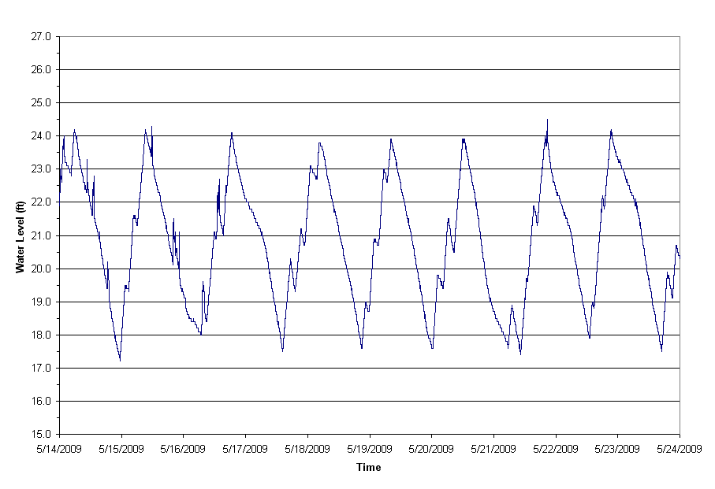
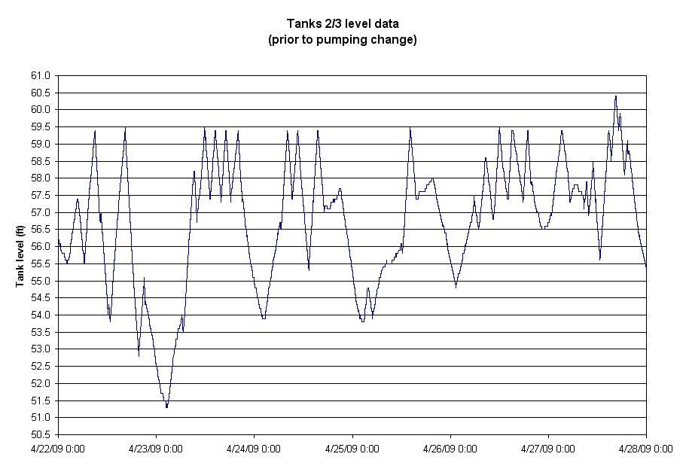
< 1 ft
< 1 ft

< 1 ft

< 1 ft

 | Example C - Minimum and maximum operational setpoints are erratic and not clearly defined. Tank level changes greater than one and a half feet were identified. Generalizations were made in cases where tank level data was highly erratic, yet a consistent approach to data interpretation was taken.

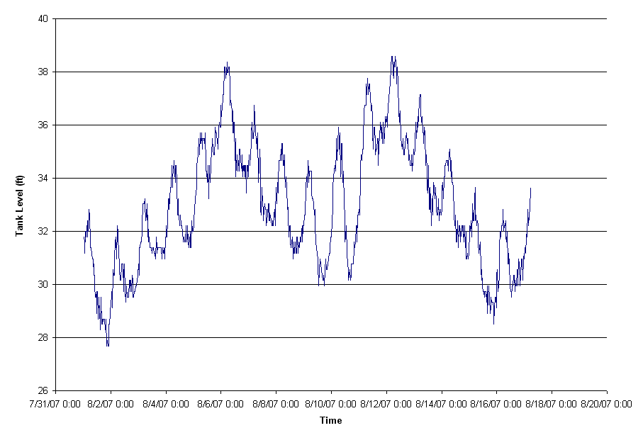

Glossary
...
Operational Strategies: Adjusting minimum and/or maximum tank cycle levels or frequency to impact tank turnover time and/or mixing.

Physical Characteristics: physical parameters used to describe storage tanks, which include size (e.g., diameter, height, volume), shape (e.g., cylindrical, rectangular, etc.), elevation (e.g., underground, ground, elevated), inlet/outlet description (e.g., configuration (common or "flow-through"), diameter, location), and other (e.g., baffling, pillars, static/dynamic mixers).

Tank Dimensions:

Cylindrical: | Hydropillar: | Rectangular:

Longest Sidewall length (D)
Shortest Sidewall length (L)
Maximum Operating
Water Depth (H)
Water Flow
Inlet diameter (d)
Water Flow
Inlet diameter (d)
Tank Diameter (D)
Maximum Operating
Water Depth (H)
Water Flow
Inlet diameter (d)
Dry riser
Wet riser
Tank Diameter (D)
Maximum Operating
Water Depth (H)

NOTE: If the tank is a hydropillar, the tank spreadsheet
can approximate the tank turnover and mixing, but the
tank must operate in the range of the tank that has a
cylindrical shape, not the cone-shaped bottom section.
As shown below:
Tank Shape:

Tank spreadsheet
will not appropriately
estimate turnover
and mixing for hydropillars
operating in this range.
Water
Tank must operate
within this range
...

